Investment Only
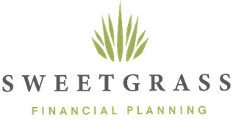

Fee Schedule for Those Only Wanting Investment Management

Range |  | Rate | Assets Charged at Level | Fee

$0 | $25,000 | 1.20% | $25,000 | $300
$25,001 | $1,000,000 | 0.90% | $975,000 | $8,775
$1,000,001 | $3,000,000 | 0.70% | $500,000 | $3,500
$3,000,001 | $5,000,000 | 0.25% | $- | $-
$5,000,001 |  | 0.15% | $- | $-

 | Enter Portfolio Size Below
Portfolio Size | $1,500,000 |  | Annual Fee | $12,575.00

Average AUM | 0.84% |  | Monthly Fee (Annual Fee ÷ 12) | $1,047.92

